Tobacco
Tobacco
 | 10 | 90
 | 19.8
 | 80.2
 | 2.4
 | 97.6
20%
2%
of men
of women

Smoking prevalence
11%

Among current smokers

 | 95.1
 | 4.9
 | 41.1
 | 58.9
 | 24.5
 | 75.5
 | 11.6
 | 88.4
 | 13.9
 | 86.1
95%
41%
25%
12%
14%
manufactured cigarettes
hand-rolled cigarettes
cigars, cheroots or cigarillos
pipes
shisha

53% have tried to stop smoking during the past 12 months
19% report that they are giving advice to stop smoking by a health care professional

 | 10.0 | 90.0
prevalence of vipe 18-44
prevalence of vipe 45-69
 | 13% | 3%

electronic cigarettes use prevalence
8.4%

current users vape daily
59%

Alcohol Use
Alcohol Use
 | 22 | 78
 | 33.9
 | 66.1
34% of men
 | 10.3
 | 89.7
10% of women
2% of women

 | 16.2
 | 83.8
 | 23.7
 | 76.3
24% of 18-44 years
16% of 45-69 years
22% | of population are current drinkers

Mean number of standard drinks on one occasion is 2.5
of whom

 | 10 | 90
9%
consumed 6 or more drinks on one occasion in the past 30 days

10% | drink daily
------------------------------------------------------------

14%
4%
 | 60 | 40
of men consumed 6 or more drinks on one occasion
of women consumed 6 or more drinks on one occasion

Among current smokers
16%
The highest prevalence of heavy episodic drinking is among men aged 18-44 years
64% | of the population are lifetime abstainers

Diet
Diet
 | 53 | 0
 | 14
 | 86
14%
per week on average people eat fruit, with 1.3 servings consumed on average per day
of the population do not eat any fruit or vegetables
3.7 Days

 | 71 | 0
17%

per week on average people eat vegetables, with 1.4 servings con- sumed on average per day
of those aged 18-44 years do not eat any fruits or vegetables
5 Days

10%
 | 84.68778057
of those aged 45-69 years do not eat any fruits or vegetables

of the population eat less than 5 servings of fruit and/or vegetables per day
85%
--------------------------------------------------------------------------------------------------------
 | 19.0
 | 26.0
 | 74.0
 | 11.0
 | 89.0
26% of 18-44 years
11% of 45-69 years
of people always, or often, eat processed foods high in salt
19%
 | 24.7

 | 25.6
 | 74.4
 | 21.6
 | 78.4
of the population always, or often, add salt or salty sauce to their food before or whilst eating
26% of 18-44 years
22% of 45-69 years
25%

Physical Activity
Physical Activity
 | 10.6 | 89.4
7%
14%

of women are not meeting the recommendation
of men are not meeting the recommendation
11%
of the population are classified as not meeting WHO's recommendation for activity for 18-69 years olds

 | 32.8 | 67.2
 | 74.3
 | 25.7
 | 74.3 | 25.7

74%
of men are not engaging in vigorous physical activity

33%
of women are not engaging in vigorous physical activity

--------------------------------------------------------------------------------------------------------------------------------------------------

 | 37.0
 | 63.0
 | 75.0 | 25.0
 | 47.0
 | 53.0
47%
37%
do no work-related activity
do no recreaction related activity
75%
of the population do not engage in any transport related activity e.e. walk or cycle as part of commute

--------------------------------------------------------------------------------------------------------------------------------------------------
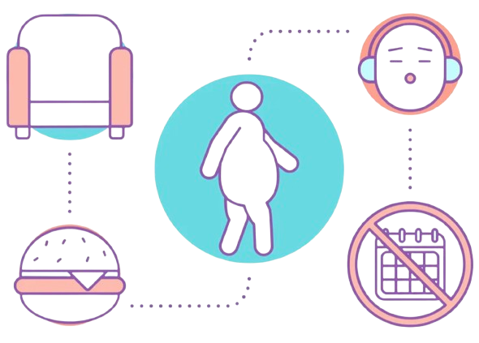
270

Minutes of sedentary activity a day

BMI
Body Mass Index

 | 24.7 | 75.3


25%
of the population are obese

 | 12.1 | 87.9

12%
of women are obese
70%

of individuals are overweight or obese

 | 37.5 | 62.5
37%

of men are obese

 | 26.9 | 73.1

27%
of the population are overweight

 | 25.1 | 74.9
 | 28.8 | 71.2
25%
29%

of women are overweight
of men are overweight

Raised blood pressure
Raised Blood Pressure

 | 21.7 | 78.3

22%
have been diagnosed with raised blood pressure
 | 13.9 | 86.1

Of those
29
are taking medication
----------------------------------------------------------------------------------
 | 10.3 | 89.7
14%

of the population either have raised blood pressure or are on medication for it.

10%
of the population have stage 2 high blood pressure, including those on medication

 | 9.6
 | 90.4
10%
15%
23%
14%
Among those 18-44 years
diagnosed and on medication, however their BP was not controlled
diagnosed and on medication, with their BP controlled
previously been diagnosed not on medication

 | 18.0
 | 82.0

18%
44%
24%
Among those 45-69 years
35%
are undiagnosed
undiagnosed men
undiagnosed women

Diabetes
Raised Blood Sugar

of the population report never having their blood sugar level measured
of the population were previously diagnosed with raised blood sugar or diabetes
4%
24%

Among those previously diagnosed with diabetes

Among the population as a whole
 | 57.0 | 43.0
 | 7.8
 | 92.2

7.8%

have raised blood glucose and on medication
57%
have received at least two HBA1C tests in the past year as part of their diabetes control

 | 4.8
 | 95.2
 | 30.0 | 70.0
4.8%

are diagnosed and not on medication

30%
have never had an eye exam

 | 50.0 | 50.0
 | 1.6
 | 98.4
1.6%
have raised blood glucose but undiagnosed
50%
have never had a foot exam

Raised cholesterol
Raised Total Cholesterol

 | 33.0 | 67.0
33%
have never had their cholesterol measured

 | 18.0 | 82.0
-----------------------------------------------------------------------------------------------------------------------------------------------------------------
 | 32.0
 | 68.0
32%

of those diagnosed with raised cholesterol are taking medication

18%
have previously been diagnosed with raised cholesterol

-----------------------------------------------------------------------------------------------------------------------------------------------------------------
 | 32.0 | 68.0

32%
of the population have high cholesterol (defined as over 190 mg/dL) or are on medication for raised cholesterol

 | 41.0 | 59.0

41%
of those aged 45-69 years have high cholesterol (defined as over 190 mg/dL) or are on medication for raised cholesterol

-----------------------------------------------------------------------------------------------------------------------------------------------------------------

 | 6.2
 | 93.8
 | 10.0
 | 90.0
50%
 | 50.0 | 50.0
 | 53.0 | 47.0
53%
6%
10%

have very high cholesterol defined as a total of >=240 mg/dL
when including those on medication have very high cholesterol
of men have low HDL (good cholesterol)
of women have low HDL (good cholesterol)

Cardiovascular disease
Cardiovascular Disease
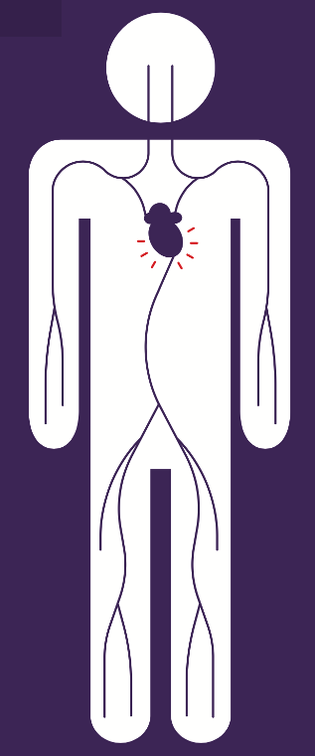

3.7%

report having had a heart attack or chest pain from heart disease (angina) or a stroke



5.8%
This is higher among those aged 45-69 years



9.7%

of the population aged 45-69 years report taking aspirin to prevent or treat heart disease

Health Behaviour advice
Lifestyle Advice

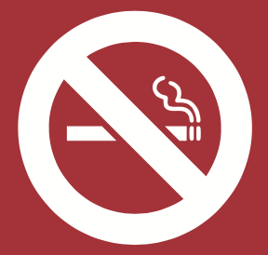
8.3%

of the population report being advised to quit smoking or not start during the past 12 months

 | 29.0 | 71.0
 | 26.0
 | 74.0
26%

advised to reduce fat in their diet

29%
have been advised to eat five portions of fruit and vegetables a day

 | 36.0
 | 64.0
 | 25.0 | 75.0
36%

advised to do more physical activity

25%
a quarter have been advised to reduce sugary drinks

 | 37.0
 | 63.0
 | 65.0 | 35.0
37%
advised to maintain healthy weight/lose weight

65%
have received advice on lowering the salt content in their food

Multiple risk factors
Multiple Risk Factors

 | 18.3 | 81.7

18%
a third of our population have 3 - 5 risk factors

 | 77.5 | 22.5

78%
nearly two-thirds of the population have 1-2 risk factors

 | 4.2 | 95.8

4.2%
of the population have 0 risk factors

37%
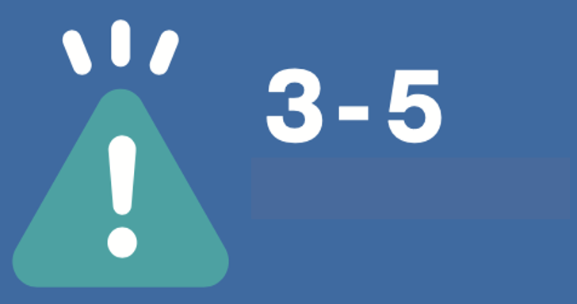
13%

Risk Factors
of 45-69 year olds have 3 - 5 risk factors
of 18-44 year olds have 3 - 5 risk factors

